PACKING (2)
 |  |  |  |  |  |  |  | ACCO-WMT

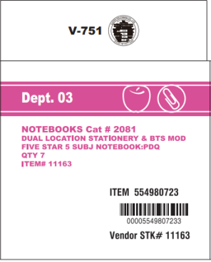
 |  |  |  |  |  | SHIP DATE : | 2020-06-10

ORDER NO :
TO:
FM:

Mark & Nos. | C/S |  | Description of Goods | Ctn/pallet | Ctns | Pcs | N.W.(kgs) | G.W.(kgs) | Meas(cbm)
 | HVN20009 |  | #11163
 |  | 2 | NOTE BOOK | 76 | 152 | 1064 | 7.26 | 7.78 | 0.017
 | 2 | PALLET | 31.2x18.4x29.4CM |  |  | 1064 | 1103.52 | 1,182 | 2.57

 |  |  | PO #5418093997

 |  |  | vở lò xo, bìa PP, 27.9x21.5cm, 200 trang

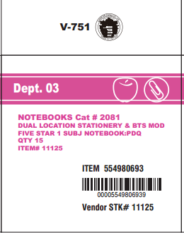
 | HVN20009 |  | #11125
 |  | 1 | NOTE BOOK | 72 | 72 | 1080 | 7.49 | 7.94 | 0.017
 | 1 | PALLET | 29.6x18.5x29.2CM |  |  | 1080 | 539.28 | 571.75 | 1.221

 |  |  | PO #5418093997

 |  |  | vở lò xo, bìa PP,100 trang, 27.9x21.5cm

 | 3 | PALLET |  |  | 224 | 2,144 | 1642.80 | 1754 | 3.79

